Sheet1
 |  |  |  |  |  |  | GEORGE BRAND SOCKS
Pack size | Retail | Number of packs | Pairs of Socks | Gender/size | LAM Style | UPC | CAD | DESCRIPTION | Material
1 PPK | $4.97 | 1032 | 1032 | Unisex/ 6-10 or 9-11 | H618GG01C000 | GBS - 05818521111-7 BGS - 05818521061-5 | 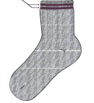 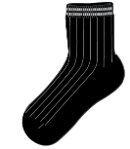 | Varsity Q-Crew | 98% POLYESTER 2% SPANDEX
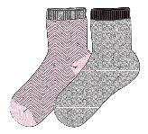 2PPK | $4.97 | 5940 | 11880 | Ladies/likely 6-10 | H618GG02C001 | BLK Combo - 05818521073-8 PINK Combo - 05818521074-5 | 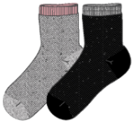 | LADIES 2PPK LUREX CHERORI FLAT KNIT LUREX Q-CREW | 60%cotton, 10% metallic,28%polyester, 2%spandex
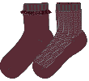 2PPK | $4.97 | 17,992 | 35984 | Ladies/likely 6-10 | H618GG02C000 | BLK - 05818521069-1 BURG - 05818521070-7 PINK - 05818521071-4 | 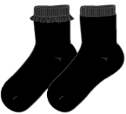 | LADIES 2PPK VELVET RUFFLE BOTTOM OF CUFF Q-CREW | 98%polyester, 2%spandex
2PPK | $6.97 | 1582 | 3164 | Ladies/likely 6-10 | H618GG02C006 | BKP - 05818521068-4 | 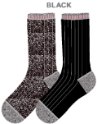 | LADIES 2PPK NEW VARSITY FLAT KNIT CREW lurex | 70%cotton,10%metallic, 18%polyester, 2%spandex
2 PPK | $6.97 | 3480 | 6960 | Unisex/Likely 9-11 | H618GG02C002 | COM1 - 05818521063-9 | 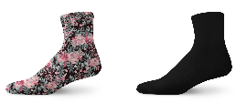 | 3D Floral Digital Print Crew | POLYEST
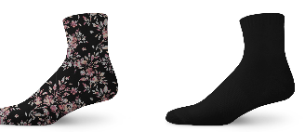 2 PPK | $6.97 | 2514 | 5028 | Unisex/Likely 9-11 | H618GG02C003 | COM1 - 05818521076-9 |  | 3D Floral Digital Print Crew | POLYEST
3 PPK | $4.97 | 1512 | 4536 | Unisex/Likely 9-11 | H619GG03C001 | 058185 30485 7 | 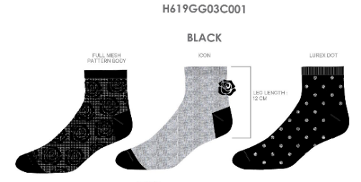 | George 3pk Lurex Q . Crew | 98%polyester, 2%spandex
3 PPK | $4.97 | 1830 | 5490 | Unisex/Likely 9-11 | H619GG03C003 | 058185 30487 1 | 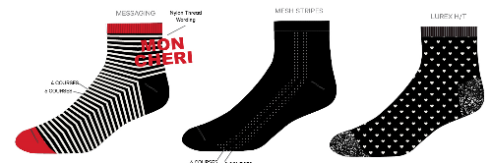 | George 3pk Messaging Q . Crew | 98%polyester, 2%spandex
6 PPK | $6.00 | 9500 | 57000 | Toddler/ Size 11-2 | H220GG06A000 | 058185487260 |  | size 11-2, 6pk anklet | 98%polyester, 2%spandex
6 PPK | $6.00 | 24,333 | 146000 | Kids/size 3-6 | H220GG06A000 | 058185487277 |  | size 3-6, 6pk anklet | 98%polyester, 2%spandex
 |  |  | 277074

